Sheet1
SKU | Image | Cargo Name | MSRP | Total MSRP | QTY | Links
LBC3 | 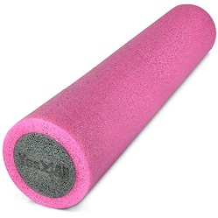 | 2-Layer Foam Roller - 36 inches | $24.47 | $7,096.30 | 290 | https://www.amazon.com/Yes4All-Soft-Density-Foam-Roller-inch/dp/B0B6VLJWKT?th=1
673J | 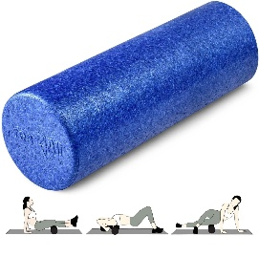 | Roller EPP - Blue - 18in | $14.24 | $7,105.76 | 499 | https://www.walmart.com/ip/Yes4All-18inch-Exercise-Foam-Roller-EPP-Blue/169149534
ETHR |  | Roller EPP - Purple - 24in | $16.83 | $4,981.68 | 296 | https://www.walmart.com/ip/Yes4All-24inch-Exercise-Foam-Roller-EPP-Purple-Speckled/177252190
LMTT | 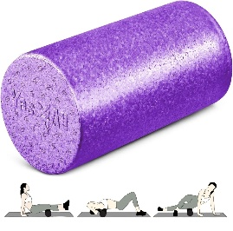 | Roller EPP - Purple - 12in | $11.50 | $8,119.00 | 706 | https://www.walmart.com/ip/Yes4All-12inch-Exercise-Foam-Roller-EPP-Purple/2081620280
FFYE | 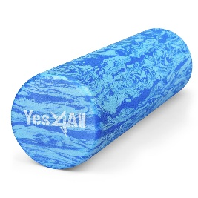 | Roller EVA - Ocean Marbled - 18inch | $39.38 | $7,167.16 | 182 | https://www.walmart.com/ip/Yes4All-18inch-Exercise-Foam-Roller-EVA-Ocean-Marbled/2968868430
KPQM | 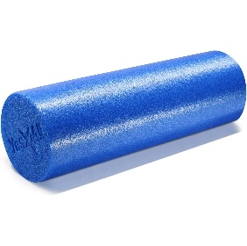 | Roller PE Blue - 18in | $12.90 | $4,992.30 | 387 | https://www.walmart.com/ip/Yes4All-18inch-Exercise-Foam-Roller-PE-Blue/2273227037
8BX6 |  | Roller PE Black - 12in | $10.12 | $4,432.56 | 438 | https://www.walmart.com/ip/Yes4All-12inch-Exercise-Foam-Roller-PE-Black/1238969999
P5R9 | 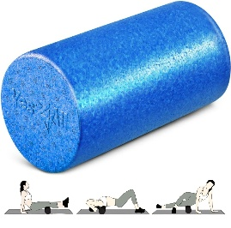 | Roller EPP - Blue - 12in | $10.79 | $4,585.75 | 425 | https://www.walmart.com/ip/Yes4All-12inch-Exercise-Foam-Roller-EPP-Blue/2937035815
YVHF |  | Roller EPP - Purple Speckled - 18inch | $15.29 | $290.51 | 19 | https://www.walmart.com/ip/Yes4All-18inch-Exercise-Foam-Roller-EPP-Purple-Speckled/2611955147
VBZ2 | 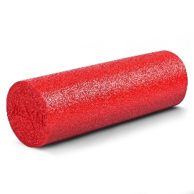 | Roller PE Red - 18in | $15.90 | $1,494.60 | 94 | https://www.walmart.com/ip/Yes4All-18inch-Exercise-Foam-Roller-PE-Red/1213558696
ETCX | 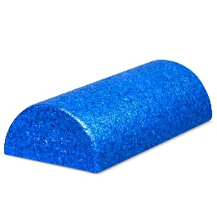 | Half Roller EPP - Blue - 12 inch | $12.28 | $2,664.76 | 217 | https://www.walmart.com/ip/Yes4All-High-Density-Half-Round-EPP-Foam-Roller-12-inches-Blue/5144337651
G1NJ | 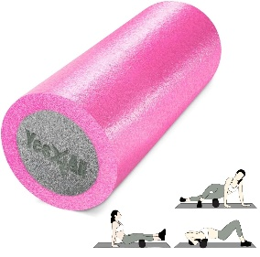 | 2-Layer Foam Roller - 12 inches | $14.44 | $1,314.04 | 91 | https://www.walmart.com/ip/2-Layer-Foam-Roller-12-inches/2256035457
EKC1 | 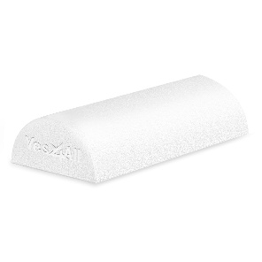 | Foam Half Foam Roller PE White - 12 in | $11.30 | $4,169.70 | 369 | https://www.amazon.com/Yes4All-Rollers-Physical-Therapy-Exercise/dp/B0D2HB55BL?th=1
3CBP | 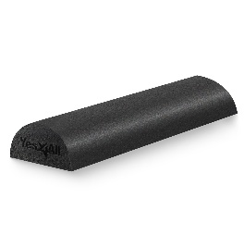 | Foam Half Foam Roller PE Black - 18 in | $12.41 | $2,792.25 | 225 | https://www.amazon.com/Yes4All-High-Density-Exercise-Pilates-Stretching/dp/B093713RW6/ref=pd_lpo_d_sccl_2/141-7731328-3484423?pd_rd_w=03onH&content-id=amzn1.sym.4c8c52db-06f8-4e42-8e56-912796f2ea6c&pf_rd_p=4c8c52db-06f8-4e42-8e56-912796f2ea6c&pf_rd_r=PE7FHEC1AJP8A3SZ7T2C&pd_rd_wg=2hEif&pd_rd_r=3b6d1495-48e6-405f-bc5f-6eb776bd0898&pd_rd_i=B093713RW6&th=1
ZAZ3 | 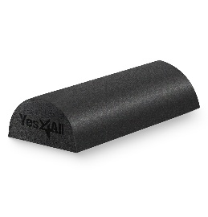 | Foam Half Foam Roller PE Black - 12 in | $9.97 | $1,694.90 | 170 | https://www.walmart.com/ip/Yes4All-Half-Roller-EPP-Foam-Roller-12inch-Black/696932253
H38T | 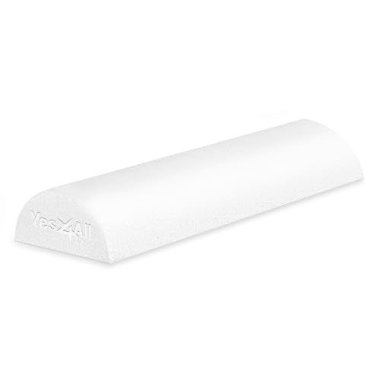 | Foam Half Foam Roller PE White - 18 in | $18.77 | $4,148.17 | 221 | https://www.amazon.com/Yes4All-Rollers-Physical-Therapy-Exercise/dp/B0D2HB55BL?th=1
 |  |  |  | $67,049.44 | 4629

